Visuals
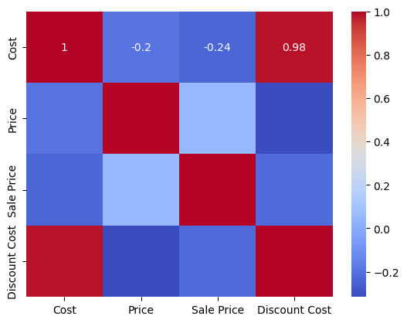
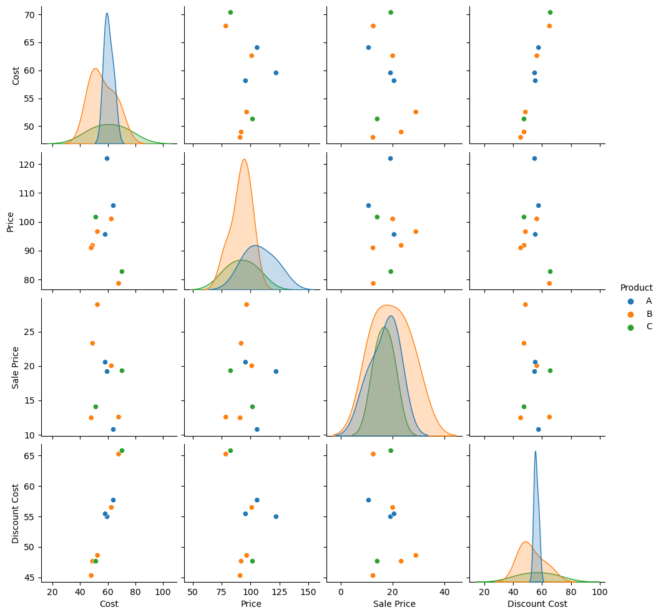
Product | Cost | Price | Sale Price | Discount Cost
A | 59.54 | 121.98 | 19.19 | 54.97
B | 52.55 | 96.61 | 28.92 | 48.62
B | 62.61 | 101.01 | 20.03 | 56.48
B | 67.93 | 78.63 | 12.57 | 65.23
B | 48.97 | 91.83 | 23.30 | 47.66
C | 51.30 | 101.66 | 14.06 | 47.66
C | 70.35 | 82.74 | 19.32 | 65.79
A | 64.07 | 105.64 | 10.77 | 57.67
B | 48.02 | 90.99 | 12.46 | 45.31
A | 58.14 | 95.62 | 20.55 | 55.43

Bullet Chart
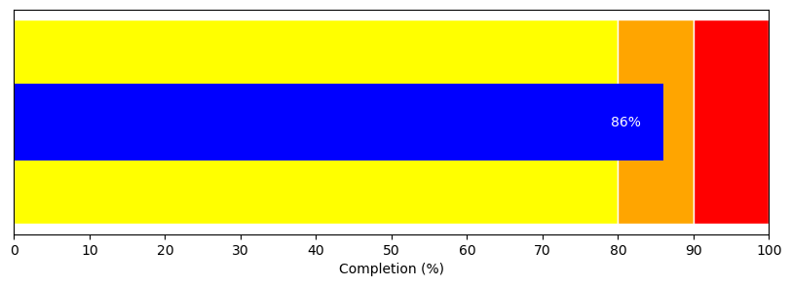
Progress | Reference | Colors | DataFrame
86 | 80 | yellow | Visual
 | 90 | orange
 | 100 | red

